Report-Strategy by Market Value
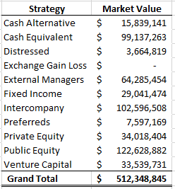
Row Labels | Sum of Market Value
Cash Alternative | 15839141.238
Cash Equivalent | 99137262.589
Distressed | 3664818.6952
Exchange Gain Loss | 0
External Managers | 64285454.35
Fixed Income | 29041474.113
Intercompany | 102596507.5
Preferreds | 7597169.137
Private Equity | 34018403.797
Public Equity | 122628881.95
Venture Capital | 33539731.209
Grand Total | 512348844.58

